Total Tons
 | Example Industry Report
 | TONS OF MANUFACTURERED COLD-FORMED STEEL FRAMING PRODUCTS

About This Report:
This report provides buyers and users of cold-formed steel framing in the |  |  | Total Tons Reported
United States with an industry-wide statistical summary of the volume of |  |  |  | Q1'xx | Q2'xx | Q3'xx | Q4'xx
of steel (in raw tons before processing) used to produce studs, track, joists, |  | East |  | 1 | 1 | 1
angle, furring channel, hat channel, flat steel, Z furring, clips, purlins, girts, |  | North Central |  | 2 | 2 | 2
resilient channel, cold-rolled channel, cold-formed truss components, special |  | South Central |  | 3 | 3 | 3
cold-formed shapes, and all scrap thereof (metal lath is not reported). Data |  | West |  | 4 | 4 | 4
is derived from a quarterly survey of manufacturers producing a minimum of |  | Total |  | 10 | 10 | 10
85% of the cold formed steel products manufactured in the United States.

Regional Tonnage
 | East | North Central | South Central | West
Q1'xx | 1 | 2 | 3 | 4
Q2'xx | 1 | 2 | 3 | 4
Q3'xx | 1 | 2 | 3 | 4
Q4'xx
Total Tonnage
 | Total Tonnage
Q1'xx | 10
Q2'xx | 10
Q3'xx | 10
Q4'xx

Survey participants were allowed to report either Total Tons or tons of Structural and Nonstructural products. Consequently, the figures reported for both Structural and Nonstructural tons may
differ from Total Tons. In these instances, the figure for Total Tons always provides the most complete picture.

© 2017 STEEL FRAMING INDUSTRY ASSOCIATION - 513 W BROAD STREET, SUITE 2010 - FALLS CHURCH, VA 22046 - WWW.CFSTEEL.ORG

Structural Tons
 |  |  |  | Example Industry Report
 |  |  |  | TONS OF STRUCTURAL MANUFACTURERED COLD-FORMED STEEL FRAMING PRODUCTS

 | Typical thickness include:
 | Designation | Minimum | Design | Inside Corner | Reference |  | Structural Tons Reported
 | (Mils) | (in) | (in) | Radii2 (in) | Gauge No. |  |  | Q1'xx | Q2'xx | Q3'xx | Q4'xx
 | 33 | 0.0329 | 0.0346 | 0.0765 | 20-Structural | East |  | 1 | 1 | 1
 | 43 | 0.0428 | 0.0451 | 0.0712 | 18 | North Central |  | 2 | 2 | 2
 | 54 | 0.0538 | 0.0566 | 0.0849 | 16 | South Central |  | 3 | 3 | 3
 | 68 | 0.0677 | 0.0713 | 0.107 | 14 | West |  | 4 | 4 | 4
 | 97 | 0.0966 | 0.1017 | 0.1526 | 12 | Total |  | 10 | 10 | 10
 | 118 | 0.118 | 0.1242 | 0.1863 | 10

Total Structural Tons
 | Total Structural Tons
Q1'xx | 10
Q2'xx | 10
Q3'xx | 10
Q4'xx
Structural Tons by Region
 | East | North Central | South Central | West
Q1'17 | 1 | 2 | 3 | 4
Q2'17 | 1 | 2 | 3 | 4
Q3'17 | 1 | 2 | 3 | 4
Q4'17

Structural Cold-Formed Steel: Per ASTM C955 Section 3.2.2 - "Structural member: a member in a steel framed system in which the loading exceeds any of the following conditions: a transverse load of 20 lb/ft. of member length, or an axial load,
exclusive of sheathing, of 200 lbf per member."

© 2017 STEEL FRAMING INDUSTRY ASSOCIATION - 513 W BROAD STREET, SUITE 2010 - FALLS CHURCH, VA 22046 - WWW.CFSTEEL.ORG

Nonstructual Tons
 |  |  |  | Example Industry Report
 |  |  |  | TONS OF NONSTRUCTURAL MANUFACTURERED COLD-FORMED STEEL FRAMING PRODUCTS

 | Typical thickness include: |  |  |  |  |  | Nonstructural Tons Reported
 | Designation | Minimum | Design | Inside Corner | Reference |  |  | Q1'xx | Q2'xx | Q3'xx | Q4'xx
 | (Mils) | (in) | (in) | Radii2 (in) | Gauge No. | East |  | 1 | 1 | 1
 | 18 | 0.0179 | 0.0188 | 0.0844 | 25 | North Central |  | 2 | 2 | 2
 | 27 | 0.0269 | 0.0283 | 0.0796 | 22 | South Central |  | 3 | 3 | 3
 | 30 | 0.0296 | 0.0312 | 0.0782 | 20-Drywall | West |  | 4 | 4 | 4
 |  |  |  |  |  | Total |  | 10 | 10 | 10

Total Nonstructural Tons
 | Total Nonstructural Tons
Q1'xx | 10
Q2'xx | 10
Q3'xx | 10
Q4'xx
Nonstructural Tons by Region
 | East | North Central | South Central | West
Q1'xx | 1 | 2 | 3 | 4
Q2'xx | 1 | 2 | 3 | 4
Q3'xx | 1 | 2 | 3 | 4
Q4'xx

Nonstructural Cold-Formed Steel: Per ASTM C645, Section 3.2.2 –“Nonstructural wall stud: a member in a steel framed wall system which is limited to a lateral (transverse) load of not more than 10 lb/ft2 (480 Pa), a superimposed vertical load,
exclusive of sheathing materials, of not more than 100 lbf/ft (1460 N/m), or a superimposed vertical load of not more than 200 lbs (890 N).”

© 2017 STEEL FRAMING INDUSTRY ASSOCIATION - 513 W BROAD STREET, SUITE 2010 - FALLS CHURCH, VA 22046 - WWW.CFSTEEL.ORG

SFIA Regions
 | Example Industry Report
 | TONS OF MANUFACTURERED COLD-FORMED STEEL FRAMING PRODUCTS

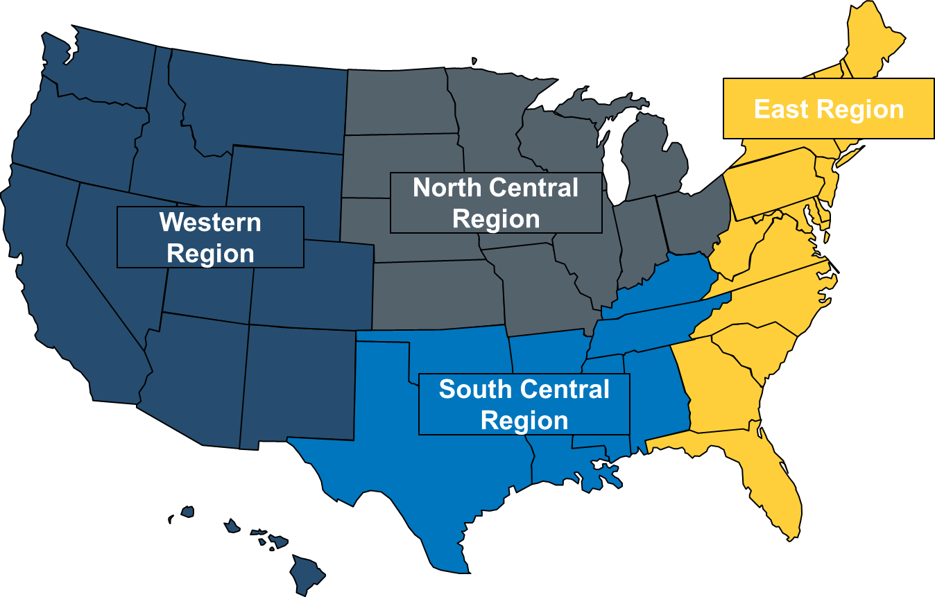
Q3'XX Total Tons
 | Q3'17 Total Tons
East | 1
North Central | 2
South Central | 3
West | 4

East Region: Connecticut, Delaware, D.C., Florida, Georgia, Maine, Maryland, Massachusetts, New Hampshire, New Jersey, New York, North Carolina,Pennsylvania, Rhode Island, South Carolina,
Vermont, Virginia, and West Virginia.
North Central Region: Illinois, Indiana, Iowa, Kansas, Michigan, .Minnesota, Missouri, Nebraska, North Dakota, Ohio, South Dakota and Wisconsin.
South Central Region: Alabama, Arkansas, Kentucky, Louisiana, Mississippi, Oklahoma, Tennessee and Texas.
West Region: Alaska, Arizona, California, Colorado, Hawaii, Idaho, Montana, Nevada, New Mexico, Oregon, Utah, Washington and Wyoming.

© 2017 STEEL FRAMING INDUSTRY ASSOCIATION - 513 W BROAD STREET, SUITE 2010 - FALLS CHURCH, VA 22046 - WWW.CFSTEEL.ORG

